Instructions
 | Hover over a step for more information.

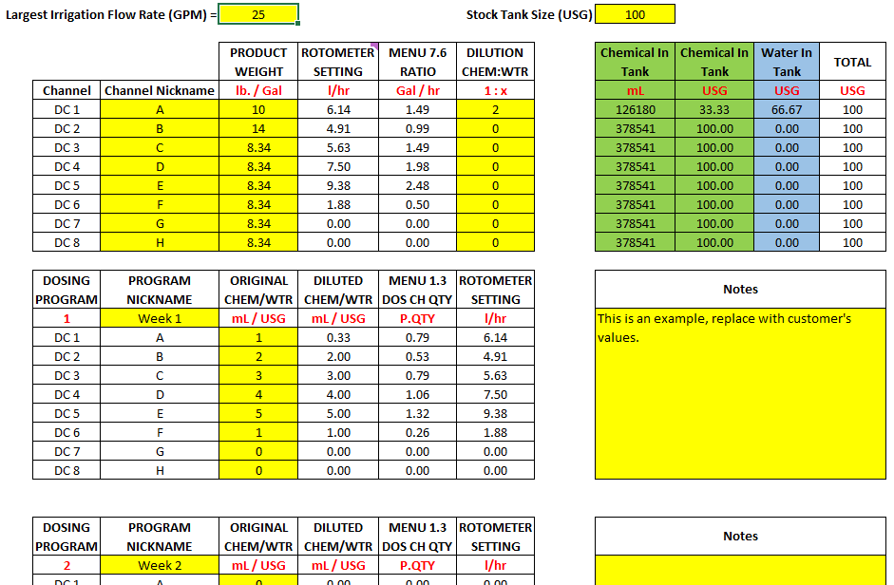
 |  |  | Step 6
Step 1

Step 2

Step 3 |  |  | Step 7

 |  |  | Step 8

Step 4

Step 5

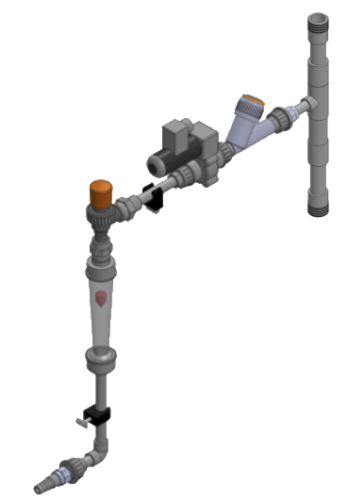

Step 9 |  | Step 10

